Expanded Layout 2021
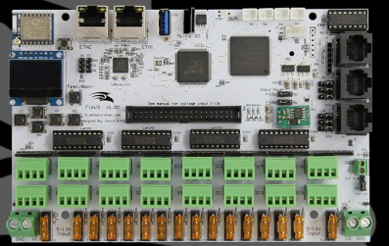
Start Ch | Controller | Description | Pixel Count | Amps | Watts | Brightness | Adj Amps | Adj Watts | Total Amps | Total Watts
Mega Tree Box, 4 350 watt Power supplies F16 + 16 port expantion | Port 1 | Mega Tree | 200 | 12 | 144.00 | 20.00% | 2.40 | 28.80
 | Port 2 | Mega Tree | 200 | 12 | 144.00 | 20.00% | 2.40 | 28.80
 | Port 3 | Mega Tree | 200 | 12 | 144.00 | 20.00% | 2.40 | 28.80
 | Port 4 | Mega Tree | 200 | 12 | 144.00 | 20.00% | 2.40 | 28.80
 | Port 5 | Mega Tree | 200 | 12 | 144.00 | 20.00% | 2.40 | 28.80
 | Port 6 | Mega Tree | 200 | 12 | 144.00 | 20.00% | 2.40 | 28.80
 | Port 7 | Mega Tree | 200 | 12 | 144.00 | 20.00% | 2.40 | 28.80
 | Port 8 | Mega Tree | 200 | 12 | 144.00 | 20.00% | 2.40 | 28.80 | 19.20 | 230.40
 | Port 9 | Mega Tree | 200 | 12 | 144.00 | 20.00% | 2.40 | 28.80
 | Port 10 | Mega Tree | 200 | 12 | 144.00 | 20.00% | 2.40 | 28.80
 | Port 11 | Mega Tree | 200 | 12 | 144.00 | 20.00% | 2.40 | 28.80
 | Port 12 | Mega Tree | 200 | 12 | 144.00 | 20.00% | 2.40 | 28.80
 | Port 13 | Mega Tree | 200 | 12 | 144.00 | 20.00% | 2.40 | 28.80
 | Port 14 | Mega Tree | 200 | 12 | 144.00 | 20.00% | 2.40 | 28.80
 | Port 15 | Mega Tree | 200 | 12 | 144.00 | 20.00% | 2.40 | 28.80
 | Port 16 | Mega Tree | 200 | 12 | 144.00 | 20.00% | 2.40 | 28.80 | 19.20 | 230.40
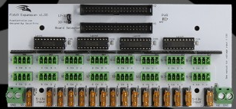
 | Port 17 | 46" 350 Mega Star | 200 | 12 | 144.00 | 20.00% | 2.40 | 28.80
 | Port 18 | 46" 350 Mega Star | 150 | 9 | 108.00 | 20.00% | 1.80 | 21.60
 | Port 19 | Tripple arch 1 | 150 | 9 | 108.00 | 20.00% | 1.80 | 21.60
 | Port 20 | Tripple arch 2 | 150 | 9 | 108.00 | 20.00% | 1.80 | 21.60
 | Port 21 | Tripple arch 3 | 150 | 9 | 108.00 | 20.00% | 1.80 | 21.60
 | Port 22 | Tripple arch 4 | 150 | 9 | 108.00 | 20.00% | 1.80 | 21.60
 | Port 23 |  | 0 | 0 | 0.00 | 20.00% | 0.00 | 0.00
 | Port 24 |  | 0 | 0 | 0.00 | 20.00% | 0.00 | 0.00 | 11.40 | 136.80
 | Port 25 |  | 0 | 0 | 0.00 | 20.00% | 0.00 | 0.00
 | Port 26 |  | 0 | 0 | 0.00 | 20.00% | 0.00 | 0.00
 | Port 27 |  | 0 | 0 | 0.00 | 20.00% | 0.00 | 0.00
 | Port 28 |  | 0 | 0 | 0.00 | 20.00% | 0.00 | 0.00
 | Port 29 |  | 0 | 0 | 0.00 | 20.00% | 0.00 | 0.00
 | Port 30 |  | 0 | 0 | 0.00 | 20.00% | 0.00 | 0.00
 | Port 31 |  | 0 | 0 | 0.00 | 20.00% | 0.00 | 0.00
 | Port 32 |  | 0 | 0 | 0.00 | 20.00% | 0.00 | 0.00 | 0.00 | 0.00
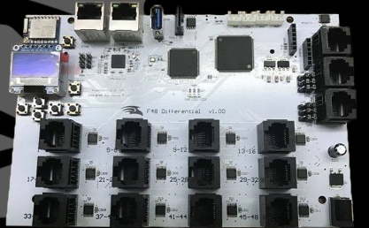
Left Porch box, 1 350 watt Power supplies 1 differential receivers | Port 1 | Pillar Matrix | 168 | 10.08 | 120.96 | 30.00% | 3.02 | 36.29
 | Port 2 | Pillar Matrix | 168 | 10.08 | 120.96 | 30.00% | 3.02 | 36.29
 | Port 3 | 2 icicles (100 each) | 200 | 12 | 144.00 | 30.00% | 3.60 | 43.20
 | Port 4 | Window | 160 | 9.6 | 115.20 | 30.00% | 2.88 | 34.56 | 12.528 | 150.336
Center Porch box, 1 350 watt Power supplies 1 differential receivers | Port 1 | Pillar Matrix | 168 | 10.08 | 120.96 | 30.00% | 3.02 | 36.29
 | Port 2 | Pillar Matrix | 168 | 10.08 | 120.96 | 30.00% | 3.02 | 36.29
 | Port 3 | 2 icicles (100 each) | 200 | 12 | 144.00 | 30.00% | 3.60 | 43.20
 | Port 4 | Front Door | 126 | 7.56 | 90.72 | 30.00% | 2.27 | 27.22 | 11.916 | 142.992
Right Porch box, 1 350 watt Power supplies 1 differential receivers | Port 1 | Pillar Matrix | 168 | 10.08 | 120.96 | 30.00% | 3.02 | 36.29
 | Port 2 | Pillar Matrix | 168 | 10.08 | 120.96 | 30.00% | 3.02 | 36.29
 | Port 3 | Garage Door | 192 | 11.52 | 138.24 | 30.00% | 3.46 | 41.47
 | Port 4 |  | 0 | 0 | 0.00 | 30.00% | 0.00 | 0.00 | 9.504 | 114.048
Garage matrix box, 1 350 watt Power supplies 2 differential receivers | Port 1 | Garage Matrix | 200 | 12 | 144.00 | 20.00% | 2.40 | 28.80
 | Port 2 | Garage Matrix | 200 | 12 | 144.00 | 20.00% | 2.40 | 28.80
 | Port 3 | Garage Matrix | 200 | 12 | 144.00 | 20.00% | 2.40 | 28.80
 | Port 4 | Garage Matrix | 200 | 12 | 144.00 | 20.00% | 2.40 | 28.80
 | Port 5 | Garage Matrix | 200 | 12 | 144.00 | 20.00% | 2.40 | 28.80
 | Port 6 | Garage Matrix | 200 | 12 | 144.00 | 20.00% | 2.40 | 28.80
 | Port 7 | Garage Matrix | 200 | 12 | 144.00 | 20.00% | 2.40 | 28.80
 | Port 8 | Garage Matrix | 200 | 12 | 144.00 | 20.00% | 2.40 | 28.80 | 19.20 | 230.40
 |  | TOTAL PIXEL COUNT | 7636

